Disrupt Autoscalar
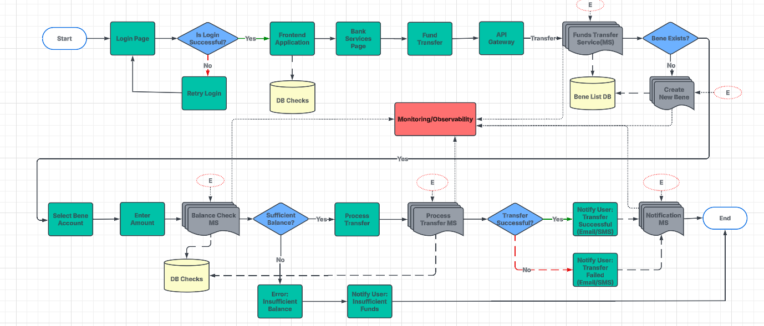
Business Usecase / Task | Subtask | Chaos CRD | Effort | Analysis/Observation | Suggestions/Recommendations | Approach | Category | Is Chaos Applicable | No of Experiments | Assigned to | start date | end date | Remarks | Dependency | Status
Disruption of HPA | Simulating HPA Scaling Failures During High Load | PodChaos | 16 | Pod-Level Impact: Pods remain overloaded, leading to increased CPU/memory utilization. Higher chance of pod crashes or OOM (Out of Memory) errors. Increased latency in pod-to-pod communication. UI-Level Impact: Slow response times or unresponsive UI. Users may experience timeouts or errors (e.g., 500 Internal Server Errors). Application may become sluggish under heavy load. | 1. Use predictive scaling (KEDA, custom metrics) 2. monitor scaling events. 3. configure buffer capacity with minimum pod replicas. | Use Predictive Scaling (KEDA, Custom Metrics): Dynamically adjusts resources based on real-time and predictive metrics. KEDA (Kubernetes Event-Driven Autoscaling) allows scaling based on queue length, CPU, memory, or custom business metrics (e.g., active users). Helps optimize costs and maintain performance during traffic spikes. Monitor Scaling Events: Continuously tracks autoscaling activities to detect anomalies and fine-tune scaling policies. Observing metrics like CPU throttling, scaling delays, and pod evictions helps prevent over-provisioning or under-provisioning, ensuring efficient resource usage. Configure Buffer Capacity with Minimum Pod Replicas: Ensures baseline availability by setting a minimum number of replicas even during low traffic. Prevents cold starts and ensures quick responsiveness. Adding buffer capacity avoids throttling and excessive scale-up delays during sudden traffic surges. | Server | Y
 | HPA Target Metric Disruption with Traffic Surge | StressChaos | 16 | Pod-Level Impact: HPA does not detect traffic spikes correctly, leading to insufficient pod scaling. Existing pods become overloaded and may start throttling requests. UI-Level Impact: Users may experience intermittent loading issues. Requests may fail or take longer than expected. UI may display "Service Unavailable" or "Retry Later" messages. | 1. Use multiple scaling metrics (CPU, memory, custom). 2. implement load testing to validate scaling behavior. 3. ensure sufficient pod quotas. |  | Server | Y | 9
 | Delayed HPA Trigger with Resource Exhaustion | StressChaos | 16 | Pod-Level Impact: CPU/memory utilization spikes before HPA reacts, causing pods to hit resource limits. Pods may get evicted due to insufficient resources. UI-Level Impact: Temporary application downtime or degraded performance. UI may freeze or take too long to respond. Users might get "Server Busy" or "Service Temporarily Unavailable" errors. | 1. Reduce scaling cooldown period. 2. optimize threshold values for faster scaling. 3. enable proactive monitoring for resource bottlenecks. |  | Server | Y
 | Simulated HPA Scaling Inconsistencies under Variable Load | NetworkChaos, StressChaos | 16 | Pod-Level Impact: HPA scales up and down unpredictably, leading to frequent pod terminations and restarts. Some pods remain underutilized, while others are overloaded. UI-Level Impact: Users may face inconsistent response times—fast sometimes, slow at others. Occasional UI glitches due to backend instability. | 1. Implement step-based scaling strategies. 2. use cluster autoscaler in conjunction with HPA. 3. enable adaptive scaling policies. |  | Server | Y
 | HPA Target Metric Overload with Burst Traffic | StressChaos | 16 | Pod-Level Impact: HPA fails to scale quickly enough, causing CPU or memory bottlenecks. Burst traffic overwhelms pods, leading to increased request queuing. UI-Level Impact: Initial fast performance followed by sudden slowdowns or crashes. UI might show intermittent failures in high-traffic scenarios. Some features may become temporarily unavailable. | 1. Set up buffer capacity with extra replicas. 2. use request queueing mechanisms. 3. optimize readiness probes to handle sudden spikes. |  | Server | Y
 | HPA Deletion During Traffic Spikes | NetworkChaos, StressChaos | 16 | Pod-Level Impact: Pods remain static, unable to scale, leading to exhaustion under high load. Higher error rates and service failures due to fixed pod count. UI-Level Impact: UI crashes or fails to load under heavy user activity. "Server is down" or "Try again later" errors. | 1. Enforce HPA policies with RBAC to prevent accidental deletion. 2. use Infrastructure-as-Code (IaC) to redeploy configurations quickly. | Enforce HPA Policies with RBAC to Prevent Accidental Deletion: Implements Role-Based Access Control (RBAC) to restrict who can modify or delete Horizontal Pod Autoscaler (HPA) policies. Prevents unintended disruptions in scaling configurations by ensuring only authorized users can update or remove them. Helps maintain system stability and security. Use Infrastructure-as-Code (IaC) to Redeploy Configurations Quickly: Manages infrastructure using IaC tools like Terraform, Pulumi, or Helm to define scaling policies, resource limits, and configurations as code. Enables quick rollback or redeployment of HPA settings in case of misconfiguration or accidental deletion, ensuring consistency across environments. | Server | Y
 | Simulating HPA Autoscaling Delays with Persistent Load | StressChaos | 16 | Pod-Level Impact: Pods experience continuous high CPU/memory stress. HPA takes too long to react, leading to sustained resource pressure. UI-Level Impact: UI remains sluggish, even under normal conditions. Frequent request failures due to slow backend responses. | 1. Use proactive pre-scaling based on historical trends, configure fast-starting containers. 2. implement multi-metric auto-scaling. |  | Server | Y
 | Intermittent HPA Failures Under Load Balancing Stress | PodChaos | 16 | Pod-Level Impact: Uneven pod distribution—some pods get more traffic than others. Pod starvation or overloading, leading to inefficient scaling. UI-Level Impact: Some users experience slow performance, while others have normal speeds. UI may show inconsistent behavior, with features working intermittently. | 1. Use multiple load balancers (e.g., external and internal). 2. distribute traffic across multiple services. 3. ensure HPA fallback strategies. |  | Server | Y
 | Simulated HPA Misconfiguration Impacting Auto-Scaling | NA | 16 | Pod-Level Impact: Incorrect scaling thresholds lead to under-provisioning or over-provisioning. Potential pod churn (frequent creation and deletion). UI-Level Impact: UI may become unstable, with sudden slowdowns. Features may become unresponsive due to backend resource limits. | 1. Regularly validate HPA configurations. 2. use automated testing in staging environments. 3. implement alerts for misconfigured scaling policies. |  | Server | Y
 | Disruption of HPA During Pod Eviction or Termination | PodChaos | 16 | Pod-Level Impact: HPA fails to replace terminated pods in time, leading to resource shortages. Critical services may go down due to insufficient instances. UI-Level Impact: Features relying on backend services may stop working. Users may face "Service Unavailable" errors or broken UI elements. | 1. Set pod disruption budgets (PDBs) to ensure minimum available pods. 2. use affinity rules to prevent unnecessary pod concentration. |  | Server | Y

Database
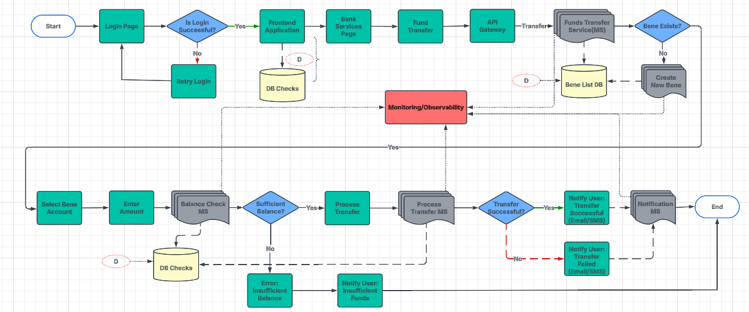
Experiment Name | Scenario Description | Chaos Type | Effort | Analysis/Observation | Suggestions/Recommendations | Approach
Database Pod Failure | Simulate a crash or failure of a database pod/container. | PodChaos (pod kill) | 16 | UI Level: Application may show "Service Unavailable" or "Database Connection Error" messages. Pod Level: Database pod restarts, and if no HA setup exists, downtime occurs. | 1. Deploy database replicas. 2. use automated failover mechanisms. 3. implement persistent storage (PVCs) for stateful databases. | Deploy Database Replicas: Improves availability and read performance by maintaining primary-secondary (read replicas) or multi-primary (active-active) database setups. Read replicas help distribute load, while primary-secondary replication ensures failover readiness in case of failures. Used in databases like PostgreSQL, MySQL, MongoDB, and Cassandra. Use Automated Failover Mechanisms: Ensures seamless recovery by automatically promoting a replica when the primary database fails. Tools like Patroni (for PostgreSQL), MySQL Group Replication, or AWS RDS Multi-AZ handle failover without manual intervention, reducing downtime. Implement Persistent Storage (PVCs) for Stateful Databases: Ensures data persistence in containerized environments (e.g., Kubernetes) by using Persistent Volume Claims (PVCs). Prevents data loss when pods restart or move across nodes, enabling stable operation for databases like PostgreSQL, MySQL, and Elasticsearch.
High CPU Usage on Database | Introduce high CPU stress on the database container. | StressChaos (CPU stress) | 16 | UI Level: Slow loading times, delayed transactions, or intermittent failures. Pod Level: Increased CPU utilization, possible throttling, or crash due to resource exhaustion. | 1. Optimize queries and indexing. 2. use connection pooling. 3. set CPU limits and requests in Kubernetes. | Optimize Queries and Indexing: Improves database performance by using efficient indexing (e.g., B-tree, Hash, GIN indexes in PostgreSQL) and optimizing queries with EXPLAIN ANALYZE. Reduces execution time and load by avoiding full table scans, using proper joins, and minimizing unnecessary computations. Use Connection Pooling: Reduces database overhead by reusing existing connections instead of creating new ones for every request. Tools like PgBouncer (PostgreSQL), HikariCP (Java), and ProxySQL (MySQL) help manage concurrent connections efficiently, improving performance and reducing latency. Set CPU Limits and Requests in Kubernetes: Ensures fair resource allocation by defining requests (minimum guaranteed CPU/memory) and limits (maximum allowed CPU/memory) for database pods. Prevents excessive resource usage, ensuring stable performance and avoiding node crashes due to overcommitment.
High Memory Usage on Database | Simulate memory exhaustion on the database container. | StressChaos (Memory stress) | 16 | UI Level: Requests might fail with "Internal Server Error" due to out-of-memory (OOM) issues. Pod Level: Database pod may crash or restart due to exceeding memory limits. | 1. Tune database memory settings. 2. enable caching strategies. 3. set memory limits to prevent out-of-memory (OOM) errors. | Tune Database Memory Settings: Adjusts memory configurations (e.g., shared_buffers, work_mem in PostgreSQL or innodb_buffer_pool_size in MySQL) to optimize query performance and reduce disk I/O. Proper tuning ensures efficient memory usage and faster query execution. Enable Caching Strategies: Reduces database load by caching frequently accessed data in Redis, Memcached, or database query caches. Helps serve requests faster and minimizes redundant queries, improving overall system performance. Set Memory Limits to Prevent Out-of-Memory (OOM) Errors: Defines requests (minimum memory) and limits (maximum memory) in Kubernetes or system settings to prevent processes from consuming excessive memory. Prevents database crashes and ensures system stability under high loads.
Network Latency to Database | Add latency between the application and the database. | NetworkChaos (delay) | 16 | UI Level: Slow responses, lag in displaying updated data, possible request timeouts. Pod Level: Increased network RTT (Round Trip Time), retries in logs, or errors due to database timeouts. | 1. Implement query caching. 2. use database connection pooling. 3. deploy read replicas to reduce database load. | Implement Query Caching: Stores the results of frequent queries in Redis, Memcached, or built-in database caches (e.g., MySQL Query Cache, PostgreSQL pgBouncer with caching) to reduce redundant processing. Improves response times and decreases database load. Use Database Connection Pooling: Manages and reuses database connections efficiently to reduce overhead. Tools like PgBouncer (PostgreSQL), HikariCP (Java), and ProxySQL (MySQL) optimize connection handling, improving performance and scalability. Deploy Read Replicas to Reduce Database Load: Distributes read queries across replica databases to offload the primary instance. Improves scalability, reduces response time, and ensures high availability, especially for read-heavy workloads. Common in PostgreSQL, MySQL, and MongoDB architectures.
Network Partitioning of Database | Simulate network partitioning for the database (isolation). | NetworkChaos (partition) | 16 | UI Level: Requests may fail, UI might freeze while waiting for a response. Pod Level: Database pod may appear running but is unreachable, causing connection errors in logs. | 1. Use leader election for distributed databases. 2. implement automatic failover. 3. enable multi-region database deployments. | Use Leader Election for Distributed Databases: Ensures consistency in distributed systems by dynamically electing a leader node to handle writes while replicas serve reads. Tools like Raft (etcd, Consul), ZooKeeper, and Patroni (PostgreSQL) help coordinate leader election to prevent conflicts and ensure high availability. Implement Automatic Failover: Detects database failures and promotes a standby or replica as the new primary without manual intervention. Solutions like MySQL Group Replication, Patroni (PostgreSQL), or AWS RDS Multi-AZ help minimize downtime and ensure seamless recovery. Enable Multi-Region Database Deployments: Distributes data across multiple geographical regions to improve latency, disaster recovery, and fault tolerance. Techniques like global replication (e.g., Google Spanner, AWS Aurora Global Databases, or CockroachDB) ensure high availability and low-latency access for users worldwide.
Disk I/O Latency | Simulate slow disk I/O performance for the database. | IOChaos (latency) | 16 | UI Level: Slow transaction processing, potential data sync delays. Pod Level: High disk latency metrics, database struggling to write/read data. | 1. Use SSDs for better performance, enable database performance tuning (e.g., indexing, query optimization). 2. monitor disk health. | Use SSDs for Better Performance, Enable Database Performance Tuning: Replacing traditional HDDs with SSDs significantly reduces I/O latency and improves database read/write speeds. Combining this with indexing (e.g., B-tree, GIN), query optimization (e.g., EXPLAIN ANALYZE), and memory tuning ensures optimal performance. Monitor Disk Health: Regularly tracks disk usage, IOPS, latency, and SMART metrics to detect potential failures early. Tools like iostat, smartctl, Prometheus, and CloudWatch help prevent downtime and ensure consistent database performance.
Disk Full Simulation | Simulate a disk full scenario for the database. | Resource Stress or Manual Fault | 16 | UI Level: Errors related to "Database Write Failure" or "Out of Storage" may appear. Pod Level: The database refuses writes, logs show "No space left on device" errors. | 1. Implement database log rotation. 2. monitor disk usage with alerts, enable automatic scaling for storage.
Primary Database Failure | Simulate the failure of a primary database in a clustered setup. | PodChaos (pod kill) | 16 | UI Level: Transactions might fail, users see "Database not responding" or experience temporary outages. Pod Level: Failover to a replica (if HA exists) or database unavailability if no backup node is present. | 1. Deploy automatic failover with database clusters (e.g., PostgreSQL Patroni, MySQL Group Replication) use multi-primary replication.
Replica Lag Simulation | Simulate replication lag in a database cluster. | Manual Configuration Fault | 16 | UI Level: Users might see outdated data due to lag. Pod Level: Replication lag increases, affecting read consistency across replicas. | 1. Monitor replication lag with alerts. 2. tune replication settings, use eventual consistency where applicable.
Read-Only Mode on Primary | Force the primary database into read-only mode. | Manual Configuration Fault | 16 | UI Level: Any write operations (such as transactions, user updates) fail, but reads work fine. Pod Level: Logs show "Database is in read-only mode", preventing any modifications. | 1. Implement automatic primary promotion. 2. configure read replicas for queries. 3. use failover mechanisms.
Connection Pool Exhaustion | Simulate the application exceeding the database connection pool limit. | Load Testing (external) | 16 | UI Level: Users might see "Too many connections" or "Database busy" messages. Pod Level: Database logs show maxed-out connection limits, rejecting new connections. | 1. Optimize connection pool settings. 2. implement database proxying (e.g., PgBouncer, ProxySQL), 3. use circuit breakers.
Database Service Unavailability | Simulate the unavailability of the database service (e.g., DNS failure). | DNSChaos (error) | 16 | UI Level: Complete failure to load database-driven UI components. Pod Level: The database service goes down, application logs show connection errors. | 1. Use multiple availability zones (multi-AZ) for high availability. 2. implement automated service discovery. 3. enable failover policies.
Backup/Restore Failure | Simulate failures in database backup or restore processes. | Manual Fault Injection | 16 | UI Level: No immediate impact unless a restore is needed (e.g., after data loss). Pod Level: Logs show "Backup failed" or "Restore incomplete", risking data integrity. | 1. Automate and regularly test backups. 2. use incremental backups. 3. store backups in multiple locations.
Schema Rollback/Failure | Simulate schema changes or rollback failures. | Manual Configuration Fault | 16 | UI Level: Features depending on schema changes may break, showing "Database Error". Pod Level: Database logs show "Invalid column name" or "Schema mismatch" errors. | 1. Use database migrations with version control. 2. test schema changes in staging. 3. implement blue-green database deployments.
Transaction Deadlock Simulation | Introduce intentional deadlocks to test transaction handling. | Application-Level Chaos | 16 | UI Level: Transactions may take longer or fail with "Transaction Conflict" messages. Pod Level: Deadlock detection logs appear, with queries retrying or failing. | 1. Optimize transactions to reduce contention. 2. implement deadlock detection. 3. use shorter transaction lifetimes.
Data Corruption | Simulate partial or complete data corruption in the database. | Manual Fault Injection | 16 | UI Level: Incorrect or missing data, unexpected system behavior. Pod Level: Corrupted database records, logs may show "Data integrity violation". | 1. Enable database checksum verification. 2. use database snapshots. 3. implement periodic consistency checks.
Resource Starvation on DB Node | Limit memory or CPU for the database node. | ResourceQuota Misconfiguration | 16 | UI Level: High latency, frequent timeouts, degraded application performance. Pod Level: CPU/memory usage spikes, pod may get evicted or crash. | 1. Set CPU/memory limits and requests. 2. use auto-scaling. 3. deploy dedicated database nodes with reserved resources.
Cluster Node Failure | Simulate a database cluster node failure (e.g., master or shard). | NodeChaos or PodChaos | 16 | UI Level: If no HA setup, users see "Database Unavailable" messages. Pod Level: Database pod may get rescheduled or fail if no other nodes exist. | 1. Implement database sharding. 2. configure automatic failover. 3. deploy across multiple nodes with redundancy.

Observability
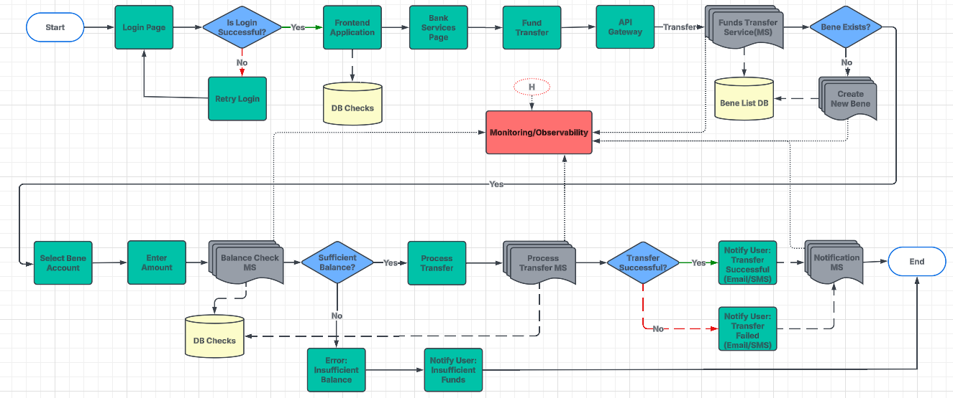
Experiment Name | Scenario Description | Chaos Type | Effort | Analysis/Observation | Suggestions/Recommendations | Approach
Metrics Server Unavailability | Simulate the failure of the Kubernetes metrics server. | PodChaos (pod kill) | 16 | UI Level: HPA (Horizontal Pod Autoscaler) might stop working, affecting auto-scaling. Dashboards showing CPU/memory metrics might fail to display data. Pod Level: kubectl top pods/nodes command fails. Logs may show "Failed to retrieve metrics" errors. | 1. Deploy multiple replicas of the metrics server. 2. implement fallback mechanisms using node-level metrics. 3. ensure Prometheus has a local scrape config. | Deploy Multiple Replicas of the Metrics Server: Ensures high availability of the Kubernetes Metrics Server by running multiple instances. Prevents monitoring disruptions in case of pod failures and improves scalability for Horizontal Pod Autoscaler (HPA) and Cluster Autoscaler. Implement Fallback Mechanisms Using Node-Level Metrics: Uses node-level metrics (e.g., cAdvisor, Node Exporter) as a backup if the central metrics server fails. Ensures that autoscaling and monitoring tools can still make decisions based on local resource usage. Ensure Prometheus Has a Local Scrape Config: Configures Prometheus to scrape metrics locally from nodes and pods to reduce dependency on external data sources. Improves resilience by ensuring monitoring continues even if remote data sources become unavailable.
Monitoring System Crash | Simulate the crash of monitoring tools like Prometheus, Grafana, or Datadog. | PodChaos (pod kill) | 16 | UI Level: Monitoring dashboards go offline or show "Data not available" errors. Alerts depending on monitoring data might not trigger. Pod Level: Prometheus/Grafana pods crash or restart. Alertmanager and exporters may report "Failed to send metrics" logs. | 1. Use high-availability (HA) deployments for monitoring tools. 2. configure alerting for monitoring failures. 3. ensure data persistence across crashes.
Log Collection Agent Failure | Kill or disable log collection agents like Fluentd, Fluent Bit, or Loki. | PodChaos (pod kill) | 16 | UI Level: Log-based dashboards show "No log data available". Log analysis tools may not update with recent logs. Pod Level: Log collector pods restart or stop ingesting logs. Errors like "Failed to push logs to storage" in logs. | 1. Deploy multiple log agents across nodes. 2. implement log buffering mechanisms. 3. set up fallback storage solutions.
Increased Log Volume | Simulate high log generation to test the logging system’s capacity. | StressChaos (I/O or Log spike) | 16 | UI Level: Delayed log visibility on dashboards. Potential UI lag if logs are processed in real-time. Pod Level: Log collector pods consume excessive CPU/memory. Risk of out-of-memory (OOM) crashes for log storage systems. | 1. Implement log rotation and retention policies. 2. use structured logging. 3. scale log storage dynamically.
Alert Manager Downtime | Simulate a crash or unavailability of the alert manager (e.g., Alertmanager). | PodChaos (pod kill) | 16 | UI Level: No alerts are sent for critical issues. Alert dashboards show "No active alerts" when issues exist. Pod Level: Alertmanager pod crashes, restarts, or stops processing alerts. Logs may show "Failed to send alert notifications". | 1. Deploy Alertmanager in HA mode. 2. configure redundant alerting channels. 3. ensure alerts are queued for delayed processing.
Partial Metric Loss | Block certain metrics from being scraped by monitoring systems. | NetworkChaos (partition or delay) | 16 | UI Level: Some graphs and dashboards show gaps in monitoring data. Auto-scaling decisions based on missing metrics may fail. Pod Level: Exporters fail to send certain metrics. Prometheus logs show "Data missing for certain time range". | 1. Implement redundant metric sources. 2. set up alternative monitoring tools. 3. use cached historical metrics to bridge gaps.
Incorrect Metrics Data | Inject incorrect or corrupted data into the metrics stream. | Manual Configuration Fault | 16 | UI Level: Dashboards display misleading or incorrect performance data. Alerts might not trigger correctly due to faulty metrics. Pod Level: Exporters generate wrong values due to misconfiguration. Logs may show unexpected spikes/dips in metric values. | 1. Validate and cross-check metric sources. 2. implement anomaly detection for metrics. 3. enable versioned metric schemas.
Dashboard Access Failure | Simulate unavailability of monitoring dashboards (e.g., Grafana). | PodChaos (pod kill) | 16 | UI Level: Grafana UI is inaccessible. "Connection refused" or "Service unavailable" errors. Pod Level: Grafana pod crashes or restarts. Logs show "Failed to load dashboards". | 1. Set up redundant Grafana instances. 2. ensure dashboards are backed up 3. enable cached views for critical metrics.
Time Sync Issues | Simulate time drift between nodes or components to test monitoring accuracy. | Manual Fault Injection | 16 | UI Level: Incorrect timestamps on logs and metrics. Alerts may trigger late or not at all. Pod Level: Logs show "Time drift detected". | 1. Use NTP synchronization across nodes. 2. implement time drift alerts. 3. ensure timestamps are consistent across logs and metrics.
Storage Backend Failure | Simulate failure of the backend used for logs or metrics storage. | DiskChaos or PodChaos | 16 | UI Level: Old metrics/logs disappear. "Storage error" messages on UI. Pod Level: Logs show "Failed to read/write from storage". Storage pods crash. | 1. Use redundant storage backends (e.g., S3, Ceph, Elasticsearch). 2. implement automated backups and snapshot recovery.
High Query Load on Dashboard | Introduce high query loads to test dashboard performance under stress. | Load Testing (external) | 16 | UI Level: Grafana dashboards take longer to load. Queries timeout. Pod Level: High CPU/memory usage on Grafana. Logs show "Query execution timeout". | 1. Optimize dashboard queries. 2. enable caching. 3. use downsampling techniques for historical data.
Logging Rate Limiting Issues | Test the behavior of logging agents under throttling or rate-limiting scenarios. | StressChaos (I/O stress) | 16 | UI Level: Logs appear delayed or truncated. Some log entries are missing. Pod Level: Logs show "Rate limit exceeded". | 1. Implement log throttling mechanisms. 2. prioritize critical logs. 3. configure rate limits based on log severity.
Dropped Metrics Data | Block or drop specific metrics at the scraping layer. | NetworkChaos (packet loss) | 16 | UI Level: Some dashboards display gaps in time-series data. Alerts may not trigger correctly. Pod Level: Logs show "Metrics dropped due to buffer overflow". | 1. Ensure scraping retry mechanisms. 2. use multiple scraping instances. 3. validate scraped data before ingestion.
Network Latency for Monitoring | Introduce latency in communication between monitored components and systems. | NetworkChaos (delay) | 16 | UI Level: Delayed metric updates. Dashboards show stale data. Pod Level: Logs show "Slow response from Prometheus". | 1. Deploy monitoring services closer to critical components. 2. use a service mesh for optimized telemetry collection.
Service Discovery Failure | Simulate a failure in monitoring tool’s service discovery for targets. | Manual Configuration Fault | 16 | UI Level: Some services disappear from dashboards. No metrics from affected pods. Pod Level: Logs show "Service discovery failed". | 1. Use static configurations as a fallback. 2. implement DNS-based service discovery. 3. monitor service discovery logs for issues.
Node Exporter Failure | Simulate the failure of a specific node exporter or telemetry agent. | PodChaos (pod kill) | 16 | UI Level: Node-level metrics (CPU, memory, disk) disappear. Pod Level: Logs show "Failed to scrape node metrics". | 1. Deploy node exporters with redundancy. 2. use alternative data sources (e.g., cAdvisor, kubelet metrics).
Cluster-Level Metrics Failure | Block metrics collection for an entire Kubernetes cluster. | DNSChaos (error) | 16 | UI Level: Cluster monitoring dashboards stop working. Pod Level: Prometheus logs show "Failed to scrape cluster metrics". | 1. Set up a multi-cluster monitoring architecture. 2. use federated Prometheus instances. 3. implement failover monitoring strategies.
Alert Flooding | Trigger multiple alerts to test the alert manager's deduplication behavior. | Manual Fault Injection | 16 | UI Level: Too many alerts trigger at once. Incident response teams receive excessive notifications. Pod Level: Logs show "Alert rate limit exceeded". | 1. Implement alert deduplication and rate limiting. 2. categorize alerts based on severity. 3. configure suppression rules in Alertmanager.
Log Archive | Chaos experiment to check if logs are archiving or not |  | 16 | UI Level: Old logs missing from UI. Log queries fail. Pod Level: Logs show "Failed to archive logs". | 1. Implement automated log archival checks. 2. use multiple storage backends. 3. set up retention policies with verification mechanisms.
Email Notification |  |  | 40 | UI Level: Alerts are not sent via email. Pod Level: Alert Manager logs show "SMTP error".

API Gateway
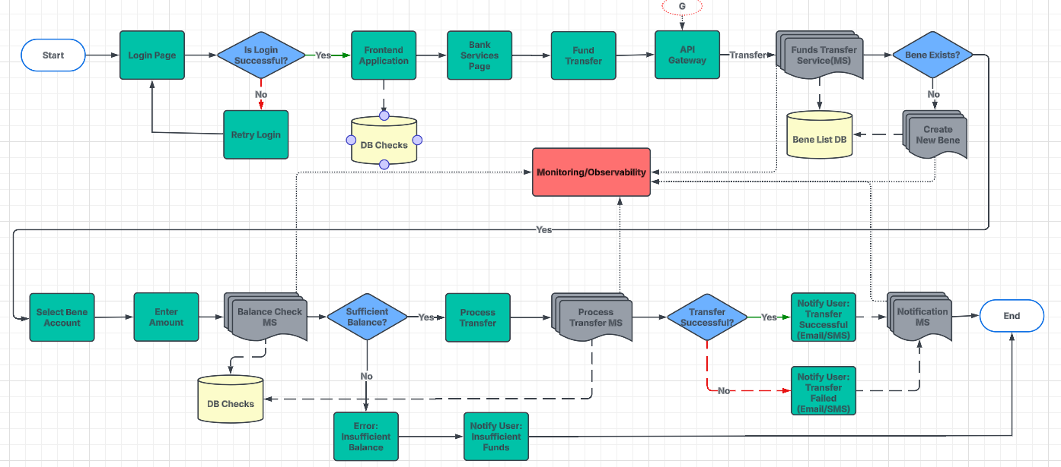
Experiment Name | Scenario Description | Chaos Type | Effort | Analysis/Observation | Suggestions/Recommendations
Gateway Unavailability | Simulate API gateway crash or unavailability. | PodChaos (pod kill) | 16 | UI Level Impact: Users cannot access the application. Requests return "503 Service Unavailable" or "Gateway Timeout" errors. API calls fail across all services. Pod Level Impact: API Gateway (Istio/Nginx/Traefik) pod restarts or enters CrashLoopBackOff. Logs show "Failed to proxy request" or "Upstream connection reset". | 1. Deploy API gateway in HA mode with multiple replicas. 2. use failover mechanisms. 3. implement health checks and automatic restarts.
Network Latency | Introduce latency between clients and the API gateway. | NetworkChaos (delay) | 16 | UI Level Impact: Slow loading times for UI components. High response time for API requests. Users experience delays in transactions and page loads. Pod Level Impact: Increased response time observed in logs (response_time > threshold). Service pods show high CPU usage due to waiting for responses. Logs show "Slow response from upstream service". | 1. Implement caching at the edge. 2. use CDNs. 3. optimize API responses with compression and pagination.
Rate Limiting/Throttling | Simulate high traffic to test rate limiting and throttling behavior. | Load Testing (external) | 16 | UI Level Impact: Users experience "429 Too Many Requests" errors. API requests fail after exceeding rate limits. Pod Level Impact: Gateway logs show "Rate limit exceeded for client". API requests are dropped or delayed. | 1. Configure rate limits and quotas per user/service. 2. use circuit breakers to prevent overload. 3. deploy auto-scaling for API gateway.
Backend Service Unavailability | Simulate unavailability of a backend service. | PodChaos (pod kill) | 16 | UI Level Impact: Some features stop working (e.g., transactions, login, payments). Users get "500 Internal Server Error" or "Service Unavailable" messages. Pod Level Impact: Backend service pods enter CrashLoopBackOff or are Terminating. Logs show "Failed to connect to database/service". | 1. Implement fallback responses with cached data. 2. use retries with exponential backoff. 3. deploy multiple backend replicas.
Misconfigured Routing | Test the effect of incorrect routing configuration. | Manual Configuration Fault | 16 | UI Level Impact: Users are redirected to the wrong page or an error page. Some API requests fail or return incorrect responses. Pod Level Impact: Logs show "Route not found" or "Invalid service mapping". Misrouted traffic causes high load on unintended services. | 1. Use automated routing validation tests. 2. enable API gateway observability with logging and tracing. 3. apply blue-green/canary deployments.
Authentication Failures | Simulate token validation or authentication service failures. | Fault Injection | 16 | UI Level Impact: Users are unable to log in. "401 Unauthorized" or "403 Forbidden" errors appear. Pod Level Impact: Authentication service pods restart or fail. Logs show "Invalid token", "Failed to verify user session". | 1. Use redundant authentication services. 2. cache tokens for reduced load. 3. implement failover identity providers (IdPs).
High Traffic Load | Generate a DDOS-like load to overwhelm the API gateway. | Load Testing (external) | 16 | UI Level Impact: Slow response times or "503 Service Unavailable" errors. Application might crash under load. Pod Level Impact: High CPU and memory usage on gateway and backend services. Pods may autoscale (if HPA is enabled) or be OOMKilled. Logs show "Too many concurrent requests" or "Request queue overflow". | 1. Deploy auto-scaling for the API gateway. 2. use WAFs and rate limiting. 3. enable traffic filtering and bot protection.
DNS Failures | Simulate DNS resolution failure for upstream services. | DNSChaos (error) | 16 | UI Level Impact: "Could not resolve host" or "DNS resolution failed" errors. API requests to external services fail. Pod Level Impact: Logs show "Failed to resolve hostname". DNS service (CoreDNS) may restart or crash. | 1. Use multiple DNS providers. 2. implement local DNS caching. 3. configure fallback DNS resolution strategies.

Security
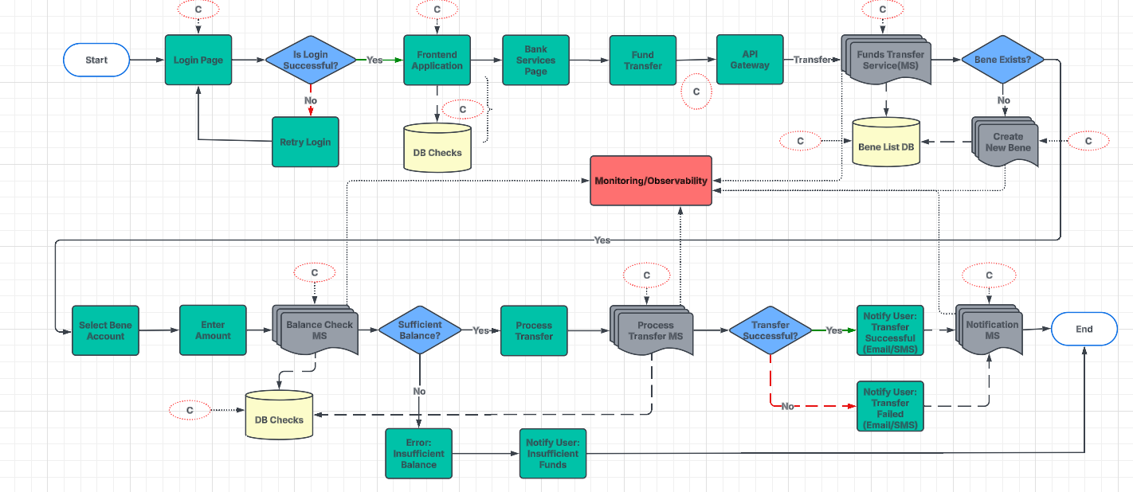
Experiment Name | Scenario Description | Chaos Type | Analysis/Observation | Suggestions/Recommendations | Effort | Assigned to | start date | end date | Remarks | Status | Dependency
Unauthorized Access Attempt | Simulate an attempt to access resources without proper credentials. | Security Testing (external) | UI Impact: Unauthorized login attempts trigger security alerts. User accounts might get locked if brute-force protection is enabled. "Access Denied" or "401 Unauthorized" errors. Pod Impact: Increased login failure logs in authentication service. API Gateway logs show "Failed authentication attempts". | 1.Implement strong authentication and authorization (RBAC-OPA) 2. enable audit logging for access attempts 3. use IDS/IPS for anomaly detection. | 16
Privilege Escalation Simulation | Simulate a process or user escalating privileges beyond allowed scope. | Manual Fault Injection | UI Impact: Unauthorized actions may trigger "Permission Denied" errors. Users may access restricted areas if escalation succeeds. Pod Impact: Security logs capture unusual privilege escalation attempts. Logs show "User attempted to access admin functions". | 1.Enforce least privilege access 2. use PodSecurityAdmission policies 3. scan for privilege escalation vulnerabilities. | 16
Pod Security Policy Violation | Deploy a pod with insecure settings (e.g., privilege escalation enabled). | PodChaos (insecure configuration) | UI Impact: Certain features may not work if necessary permissions are missing. Deployment of new pods may fail. Pod Impact: Pods enter "CreateContainerConfigError" state. Logs show "Security policy violation: privileged container not allowed". | 1.Use Kubernetes PodSecurityAdmission or Kyverno for enforcing security policies 2. implement namespace-based security controls. | 16
Network Egress Leak | Test whether pods can bypass network policies to access external systems. | NetworkChaos (egress block) | UI Impact: External API integrations may fail. Sensitive data might get exposed if leak is successful. Pod Impact: Logs show "Unauthorized outbound traffic detected". Egress traffic logs indicate unexpected data flow. | 1.Apply strict egress network policies 2. implement service mesh with mTLS 3. monitor outbound traffic for anomalies. | 30 | Hymavathi | 31/01/2025 | 2024-06-02 |  | pause the task
Secrets Management Failure | Simulate missing, corrupted, or leaked Kubernetes Secrets. | Manual Configuration Fault | UI Impact: Application might crash if it fails to retrieve secrets. Some features requiring credentials (e.g., DB access) may break. Pod Impact: Logs show "Failed to load secrets" or "Invalid authentication token". Pods enter CrashLoopBackOff state if secrets are missing. | 1.Use encrypted Kubernetes Secrets with KMS (AWS KMS, HashiCorp Vault) 2. rotate secrets periodically 3. implement access controls. | 16
TLS Certificate Expiry | Simulate expired or invalid TLS certificates for services. | Manual Fault Injection | UI Impact: HTTPS requests fail with "SSL certificate expired" errors. Users may see security warnings in browsers. Pod Impact: Logs show "TLS handshake failure" or "Certificate expired". API Gateway might reject connections. | 1.Automate TLS certificate management with cert-manager 2. monitor certificate expiry with alerts. | 16
Key Management Service (KMS) Failure | Simulate unavailability of the KMS used for encrypting secrets. | PodChaos or NetworkChaos | UI Impact: Encrypted data access might fail. API requests may return "Decryption failure". Pod Impact: Logs show "Failed to retrieve encryption key". Services relying on encryption may crash. | 1.Use multi-region KMS deployment 2. implement local key caching 3. ensure fallback encryption mechanisms. | 16
Data Exfiltration Attempt | Simulate unauthorized data exfiltration by a compromised pod or service. | NetworkChaos (partition/egress) | UI Impact: Users might receive security warnings for unauthorized data access. Transactional data may appear incomplete or missing. Pod Impact: Security logs show "Unusual data transfer detected". Increased outbound traffic logs. | 1.Monitor and limit data transfer using egress monitoring 2. deploy DLP (Data Loss Prevention) tools 3. enforce strict IAM roles. | 32 | Kalyani | 31/01/25 | 2025-06-02
Firewall Rules Misconfiguration | Simulate overly permissive or restrictive firewall rules. | Manual Configuration Fault | UI Impact: Some services might become inaccessible. API requests fail with "Connection Timeout". Pod Impact: Logs show "Firewall rule blocking connection". Network policies may drop traffic unexpectedly. | 1.Automate firewall rule validation with infrastructure-as-code 2. implement least-privilege firewall rules 3. regularly audit security groups. | 16
Vulnerability Exploitation | Simulate exploitation of a known vulnerability to test detection systems. | Security Testing (external) | UI Impact: If exploitation is successful, UI may show unexpected admin access or data leaks. Pod Impact: Security logs indicate "Attempted exploit detected". Increased CPU/memory usage due to malicious execution. | 1.Perform regular vulnerability scans with tools like Trivy 2. Aqua Security 3. or Snyk 4. patch vulnerabilities promptly 5. enforce image signing. | 16
Ingress Network Attack | Simulate a DDoS attack on exposed services. | Load Testing (external) | UI Impact: Increased response time or denial of service for users. Unauthorized users may access restricted endpoints. Pod Impact: API Gateway logs show "High volume of unauthorized requests". Pods might get overloaded or crash. | 1.Use WAFs 2. rate limiting 3. Bot protection (e.g.Cloudflare, AWS Shield) | 20 | Hymavathi | 2025-07-02 | 2025-10-02 | need to test | mostly completed
Container Escape Simulation | Simulate a container attempting to escape to the host system. | Manual Fault Injection | UI Impact: If successful, attackers may gain control over host resources. Security alerts may appear in dashboards. Pod Impact: Host logs show "Unauthorized container breakout attempt". Logs indicate privileged access attempts. | 1.Enforce kernel security modules (AppArmor, SELinux) 2. use minimal container images 3. restrict host namespace sharing. | 16
Malicious Image Deployment | Deploy a container image with malicious scripts to test runtime security. | PodChaos (custom malicious pod) | UI Impact: Unexpected behaviors in UI, such as data corruption or crashes. Users may see security warnings. Pod Impact: Security scans detect "Unknown or unauthorized image". Logs show "Unexpected process execution detected". | 1.Enforce image scanning in CI/CD pipelines 2. use signed and verified container images 3. restrict image sources with admission controllers. | 16
Role-Based Access Control (RBAC) Misconfiguration | Simulate incorrect RBAC roles to allow over-privileged access. | Manual Configuration Fault | UI Impact: Users may lose access to critical services. Unauthorized users may gain admin privileges. Pod Impact: API logs show "Unauthorized access attempt". Audit logs reflect RBAC policy violations. | 1.Regularly audit RBAC roles 2. follow least privilege principles 3. use OPA/Gatekeeper to enforce RBAC policies. | 16
Audit Log Tampering | Simulate tampering or loss of audit logs for security events. | StressChaos (log spike) | UI Impact: Security dashboards may show gaps in audit logs. Some alerts may fail to trigger. Pod Impact: Logs show "Tampering detected in security logs". Monitoring tools report missing log events. | 1.Store audit logs in a tamper-proof location (e.g.external logging services) 2. Enable log integrity verification. | 16
API Server Abuse | Simulate high-rate requests to the Kubernetes API server. | Load Testing (external) | UI Impact: Users may experience slow API responses or denied requests. Pod Impact: Kubernetes API server logs show "Unusual spike in requests". Increased CPU usage on control plane nodes. | 1.Implement API rate limiting 2. use authentication tokens with expiration 3. monitor API activity for unusual access patterns. | 16
Node Compromise Simulation | Simulate a compromised node running malicious workloads. | NodeChaos | UI Impact: Application may experience degraded performance. Users might see unexpected behavior in UI. Pod Impact: Kubernetes logs show "Unauthorized node access detected". Compromised node pods might start behaving abnormally. | 1.Use node-level security policies 2. enforce runtime security with Falco/Sysdig 3. limit SSH access with bastion hosts. | 16
Runtime Security Bypass | Test bypassing runtime security tools like Falco, Aqua, or Sysdig. | Manual Fault Injection | UI Impact: Security controls may fail silently, leading to potential breaches. Pod Impact: Security logs show "Unauthorized process execution". System defenses fail to detect attacks. | 1.Deploy runtime security tools (Falco, Aqua, Sysdig) with strict policies 2. Monitor deviations from expected behavior. | 16
Image Registry Tampering | Simulate unauthorized access or tampering with container images in the registry. | Manual Fault Injection | UI Impact: Unexpected application crashes or changes in UI behavior. Pod Impact: Logs show "Mismatch between deployed and expected container image". Image signature verification might fail. | 1.Use private container registries with access controls 2. enforce image integrity with signing (e.g. Notary, Sigstore). | 16
Malware Injection | Simulate malware running within a pod or node. | PodChaos (malware simulation) | UI Impact: Application may slow down or behave unexpectedly. Security warnings might appear in dashboards. Pod Impact: Logs show "Malicious process execution detected". Increased network traffic as malware spreads. | 1.Scan container images for malware before deployment 2. implement real-time runtime threat detection. | 8 | Kalyani, | 2025-07-02 | 2025-10-02 |  | Completed
Sidecar Container Failure | Simulate a failure in a security sidecar (e.g., Istio, Linkerd). | PodChaos (pod kill) | UI Impact: Features relying on sidecars (e.g., service mesh, logging) may break. UI may display delayed or missing data. Pod Impact: Logs show "Sidecar container not responding". Istio/Linkerd sidecars enter CrashLoopBackOff. | 1.Deploy redundant security sidecars 2. Monitor service mesh health 3. Ensure fallback mechanisms. | 24 | Kalyani, Hymavathi | 2025-10-02 | 2025-12-02 |  | Completed
Inadequate Multi-factor Authentication |  |  | UI Impact: Users might log in without an MFA challenge. Security dashboards show "Login without second-factor authentication". Pod Impact: Authentication service logs show "MFA validation bypassed". Increased number of successful logins without MFA. | 1.Enforce MFA for all critical access points 2. integrate with identity providers (e.g. Okta, Azure AD). | 16

MS
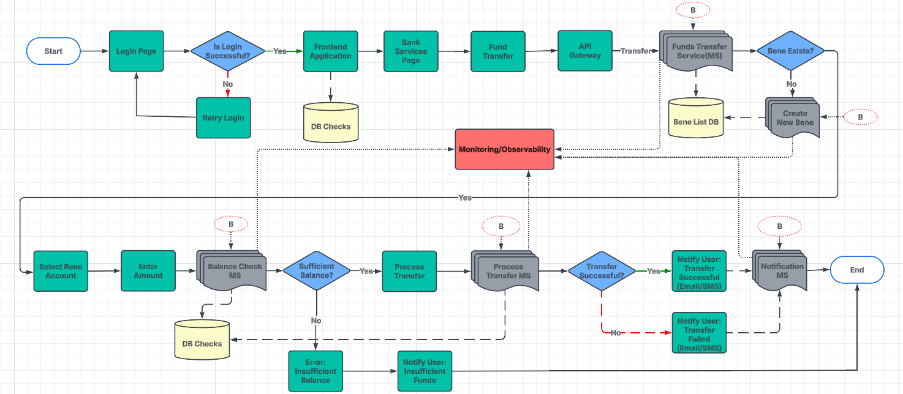
Experiment Name | Scenario Description | Chaos Type | Analysis/Observation | Suggestions/Recommendations | Effort | Is Chaos Applicable | No of Experiments | Assigned to | start date | end date | Remarks | Dependency | Status
Container Crash | Simulate a sudden crash or failure of a microservice container. | PodChaos (pod kill) | Pod Level: Pod restarts automatically if restartPolicy: Always is set. Logs show abrupt termination with exit code 137. UI Level: Temporary service disruption if no replicas exist. API requests may fail with 500 Internal Server Error | 1.Implement automatic restarts with Kubernetes liveness probes 2. use graceful shutdown mechanisms 3. enable logging and monitoring for failure analysis. | 16
High CPU Load | Stress the CPU of a microservice container to test performance. | StressChaos (CPU stress) | Pod Level: kubectl top pod shows increased CPU utilization. If CPU limits are reached, throttling or pod eviction may occur. UI Level: UI response time increases, leading to slow interactions. Some requests may time out or fail with 504 Gateway Timeout. | 1.Optimize code and queries 2. set CPU resource limits and requests in Kubernetes 3. implement auto-scaling based on CPU metrics. | 16
High Memory Consumption | Simulate excessive memory usage in a microservice container. | StressChaos (Memory stress) | Pod Level: Pod may get terminated due to OOM (Out-of-Memory) Kill. Logs show Killed process due to memory pressure. UI Level: UI becomes unresponsive or slow. API requests may fail with 500 Internal Server Error. | 1.Set memory limits and requests 2. use garbage collection and memory profiling monitor memory usage with alerts. | 16
Network Latency | Introduce latency between microservices to test communication delays. | NetworkChaos (delay) | Pod Level: Increased response times between services (ping shows delays). Logs indicate timeouts in service-to-service communication. UI Level: UI takes longer to load dynamic content. API calls may fail intermittently with 504 Gateway Timeout | 1.Use retries with exponential backoff 2. implement circuit breakers 3. cache frequently accessed data. | 16
Network Partitioning | Simulate network partitioning between microservices. | NetworkChaos (partition) | Pod Level: Pods cannot communicate with each other or the database. Logs show Connection refused or Network is unreachable. UI Level: Features that depend on backend services may fail. API calls return 502 Bad Gateway errors. | 1.Implement service mesh for intelligent routing 2. use event-driven architecture to handle temporary failures. | 16
DNS Resolution Failure | Simulate DNS failure for specific microservices. | DNSChaos (error) | Pod Level: Service discovery fails, preventing pod-to-pod communication. Logs contain Temporary failure in name resolution. UI Level: UI displays Service Unavailable errors. External API calls fail, breaking dependent features | 1.Use multiple DNS providers 2. enable DNS caching configure fallback domain resolution. | 16
Pod Eviction | Force eviction of a microservice pod to simulate resource pressure. | PodChaos (eviction) | Pod Level: Pod gets evicted and rescheduled on another node. Logs show Pod eviction due to resource pressure. UI Level: Short service disruption if no replicas exist. API requests may intermittently fail before stabilization. | 1.Ensure pod disruption budgets (PDBs) are set properly 2. use anti-affinity rules for critical pods 3. enable horizontal pod autoscaling. | 16
Service Scaling Failure | Simulate a failure in auto-scaling a microservice. | Manual Configuration Fault | Pod Level: New pods fail to start due to insufficient resources. Logs show FailedScheduling due to CPU/memory limits. UI Level: Increased response time or request failures (503 Service Unavailable). UI elements relying on backend calls may not load. | 1.Implement predictive auto-scaling 2. use Kubernetes Horizontal Pod Autoscaler (HPA) 3. monitor and adjust scaling policies. | 16
Deployment Rollback | Test system behavior during an unexpected rollback of a deployment. | Manual Configuration Fault | Pod Level: New pods terminate, and old versions are redeployed. kubectl rollout history shows rollback details. UI Level: UI refreshes briefly during rollback. Old version of the application becomes active. | 1.Implement blue-green or canary deployments 2. test rollbacks in staging environments 3. store configuration history for rollback safety. | 16
Image Pull Failure | Simulate an image pull failure for a container. | Manual Fault Injection | Pod Level: Pod gets stuck in ImagePullBackOff state. kubectl describe pod shows ErrImagePull. UI Level: Service remains unavailable if no previously running pods exist. API requests fail with 500 Internal Server Error. | 1.Use image pull policies wisely (e.g., IfNotPresent for cached images) 2. maintain an internal container registry as a backup. | 16
Node Failure | Simulate the failure of a Kubernetes node hosting microservices. | NodeChaos | Pod Level: All pods on the node become NotReady. Kubernetes reschedules affected pods to another node. UI Level: Temporary service downtime if no replicas exist. UI may display Service Unavailable. | 1.Deploy microservices across multiple nodes 2. use Kubernetes node affinity and pod anti-affinity 3. enable cluster autoscaler. | 16
Disk I/O Latency | Simulate high disk I/O latency for a microservice container. | IOChaos (latency) | Pod Level: Slow file read/write operations. Increased pod restart time. UI Level: File uploads and downloads take longer. Database-driven UI actions become sluggish | 1.Use faster storage (SSD) 2. implement disk caching 3. monitor disk performance with alerts. | 16
Resource Starvation | Limit resources (CPU, memory) for a microservice to simulate stress. | ResourceQuota Misconfiguration | Pod Level: High CPU/memory usage leads to pod crashes. Some pods get evicted due to lack of resources. UI Level: UI becomes unresponsive. API requests take longer or fail intermittently | 1.Set CPU and memory limits/requests 2. use priority classes for critical services 3. enable resource quotas. | 16
Service Discovery Failure | Simulate a failure in Kubernetes service discovery. | DNSChaos or Manual Fault | Pod Level: Services fail to find each other (No route to host). Logs show Failed to resolve service name. UI Level: Features relying on inter-service communication fail. API requests return 502 Bad Gateway. | 1.Implement fallback mechanisms 2. use multiple service discovery mechanisms (DNS- environment variables) 3. monitor service registry health. | 16
ConfigMap Misconfiguration | Introduce incorrect configurations via ConfigMaps. | Manual Configuration Fault | Pod Level: Pod crashes due to incorrect configuration. Logs show Invalid configuration file. UI Level: UI fails to load settings-dependent features. Some services display Configuration error messages. | 1.Implement configuration validation tests 2. store versioned ConfigMaps 3. use feature flags for gradual rollout. | 16
Secret Management Failure | Simulate issues with Kubernetes Secrets (e.g., missing or incorrect). | Manual Configuration Fault | Pod Level: Authentication failures due to missing credentials. Logs show Permission denied for secret access. UI Level: Login and authentication features fail. Secure API calls return 401 Unauthorized. | 1.Use Kubernetes Secrets with RBAC restrictions 2. enable secret rotation 3. use HashiCorp Vault or AWS Secrets Manager for secure storage. | 16
Pod kill in a slow manner | Gradual Pod Termination with Delayed Kill | PodChaos | Pod Level: Pod terminates slowly, delaying restart. UI Level: UI becomes unresponsive gradually before failure. | 1.Implement readiness and liveness probes 2. use graceful shutdown hooks 3. configure preStop lifecycle hooks to delay termination. | 16 | Y | 9 | Divya Pilla & Team | 21-Jan-25 | 22-Jan-25
 | Pod Kill with Delayed Start | PodChaos | Pod Level: Pod restart is delayed due to readiness/liveness issues. UI Level: Features depending on the pod remain unavailable longer. | 1.Use startup probes to delay traffic until the pod is fully initialized 2. implement warm-up strategies for services before accepting requests. | 16 | Y |  | Kalyani | 22-Jan-25 | 22-Jan-25 | Email Alert should be enabled | Python Engineer | Completed
 | Gradual Pod Failure with Load Testing | PodChaos, StressChaos | Pod Level: Increasing request load causes slow degradation. UI Level: UI interactions become sluggish and eventually fail. | 1.Enable horizontal pod autoscaling (HPA) to handle increased load 2. distribute traffic with a service mesh 3. use load testing tools (e.g.- Locust, K6) to assess impact. | 16 | Y |  | Hymavathi | 2025-01-22 | 2025-01-23 |  |  | In-Progress
 | Simulating Resource Starvation During Pod Shutdown | NetworkChaos, PodChaos | Pod Level: Pod struggles to terminate due to resource exhaustion. UI Level: Requests time out before service recovery. | 1.Optimize resource allocation with CPU/memory requests and limits 2. enable priority-based scheduling to ensure critical pods get resources. | 16 | Y |  | Kalyani | 23-Jan-25 | 24-Jan-25 |  |  | Completed
 | Pod Kill with Network Latency Injection | PodChaos | Pod Level: Pod faces high network delays before termination. UI Level: API responses slow down before eventual failure. | 1.Use circuit breakers and retries in microservices 2. deploy a service mesh (e.g.- Istio) to handle latency gracefully. | 16 | Y |  | Divya Pilla & Team |  |  | Email Alert should be enabled | Python Engineer
 | Slow Pod Kill with Stateful Application Testing | PodChaos | Pod Level: Stateful pod takes longer to terminate, affecting dependencies. UI Level: Transactions and sessions may be lost or reset. | 1.Implement leader election for stateful applications 2. ensure persistent storage (PVCs) is properly attached 3. configure graceful termination policies. | 16 | Y |  | Kalyani | 24-Jan-25 | 27-Jan-25 |  |  | Completed
 | Pod Kill with Service Disruption & Auto-Scaling | PodChaos | Pod Level: Pod removal triggers a delayed auto-scaling response. UI Level: UI shows temporary downtime before recovery | 1.Use Kubernetes PodDisruptionBudgets (PDBs) to maintain service availability 2. implement proactive auto-scaling policies. | 16 | Y |  | Hymavathi | 29-Jan-25
 | Pod Kill with Sidecar Container Failures | PodChaos | Pod Level: Sidecar failure affects the main application pod. UI Level: Features like logging, monitoring, or security break. | 1.Ensure sidecars are monitored separately from main containers 2. implement failover mechanisms if a sidecar crashes. | 16 | Y |  | Divya Pilla & Team
 | Slow Pod Kill with Dependency Injection (Service Dependency Simulation) | PodChaos, NetworkChaos | Pod Level: Pod shutdown disrupts dependent services. UI Level: Interdependent UI features malfunction or show errors. | 1.Use feature flags to decouple dependencies 2. implement fallback mechanisms for dependent services. | 16 | Y |  | kalyani | 28-Jan-25 | 29-Jan-25 |  |  | Completed
 | Pod kill and keep it down for a certain time | NetworkChaos | Pod Level: Pod remains down beyond expected restart time. UI Level: UI functionality relying on this pod stays unavailable. | 1.Implement redundancy by running multiple replicas 2. use pod anti-affinity to distribute pods across nodes 3. configure auto-recovery with Kubernetes controllers. | 16 |  |  | Hymavathi | 31-Jan-25 | 6-Feb-25
Slow app kill: Gradual degradation in app performance (from optimal to null) over 5 minutes to 1 hour. | Gradual CPU Throttling with Progressive Performance Degradation | StressChaos | Pod Level: CPU throttling reduces processing power over time. UI Level: UI slows down progressively, eventually timing out. | 1.Set CPU limits and requests in Kubernetes 2. implement auto-scaling based on CPU usage 3. optimize code for efficiency. | 16
 | Simulated Memory Leak with Progressive Slowdown Over Time | StressChaos | Pod Level: Increasing memory usage leads to OOM kill. UI Level: UI response times increase before eventual crash. | 1.Use memory profiling and garbage collection tuning 2. set memory limits to prevent OOM kills 3. enable heap dumps for debugging. | 16
 | Increasing Network Latency Leading to Application Timeout | NetworkChaos | Pod Level: Network delay leads to frequent timeout errors. UI Level: UI fails to load data-intensive features properly. | 1.Implement retries with exponential backoff 2. use circuit breakers 3. optimize caching mechanisms to reduce network dependency. | 16
 | Progressive Disk I/O Degradation Affecting App Response Times | IoChaos | Pod Level: File operations become increasingly slower. UI Level: UI-based storage actions (uploads, DB calls) lag. | 1.Use SSDs or faster storage 2. enable disk caching 3. monitor disk I/O usage with alerts to prevent bottlenecks. | 16
 | Gradual Network Congestion with Increased Latency and Packet Loss | NetworkChaos | Pod Level: Increasing packet loss impacts inter-service communication. UI Level: UI elements that require API calls fail intermittently. | 1.Implement QoS policies 2. use traffic shaping techniques 3. deploy service mesh for intelligent traffic routing. | 16
 | Slow API Response Time Increase with Simulated Load | NetworkChaos | Pod Level: Pod takes longer to shut down, affecting service readiness. UI Level: UI lags during the extended shutdown period. | 1.Implement rate limiting 2. use connection pooling 3. optimize API endpoints and database queries for performance. | 16
 | Controlled Pod Kill with Increasing Grace Period and Performance Impact | PodChaos | Pod Level: Resource limits cause gradual service degradation. UI Level: UI operations slow down until service failure. | 1.Configure preStop hooks for graceful termination 2. use Kubernetes PodDisruptionBudgets (PDBs) to limit impact. | 16
 | Progressive Container Resource Limit Reaching Leading to App Slowdown | NA | Pod Level: Resource limits cause gradual service degradation. UI Level: UI operations slow down until service failure. | 1.Set appropriate resource limits and requests 2. implement Kubernetes Horizontal Pod Autoscaler (HPA) 3. monitor resource utilization. | 16
 | Decreasing Database Query Performance with Increasing Latency | NetworkChaos | Pod Level: Database queries slow down progressively. UI Level: UI-based data retrieval (e.g., dashboards, reports) delays. | 1.Optimize queries and indexing 2. use connection pooling 3. implement database read replicas and caching strategies. | 16
 | Simulated Gradual Service Degradation via Resource Starvation | StressChaos, IoChaos | Pod Level: Pod runs out of CPU/memory, leading to degraded performance. UI Level: UI features requiring backend processing become slow. | 1.Prioritize critical workloads using Kubernetes priority classes 2. enable proactive monitoring and auto-scaling 3. implement failover mechanisms. | 16
Denial-of-service attack | Simulated Distributed Denial-of-Service (DDoS) Attack with Traffic Flooding | NetworkChaos | Pod Level: High incoming traffic overwhelms pod resources. UI Level: UI becomes unresponsive due to excessive load. | 1.Use Web Application Firewalls (WAFs) 2. implement rate limiting 3. enable DDoS protection with cloud providers (e.g.- AWS Shield, Cloudflare). | 16 | Y | 10
 | Network Flooding Attack with Excessive Requests to Overwhelm Services | NetworkChaos | Pod Level: Pod struggles with excessive inbound traffic. UI Level: API requests slow down and eventually fail. | 1.Implement network traffic monitoring 2. use traffic shaping 3. deploy service mesh with automatic rate limiting. | 16 | Y
 | HTTP Request Flooding to Test Application Layer Resilience | StressChaos | Pod Level: Service receives high volumes of HTTP requests. UI Level: UI may display frequent 429 Too Many Requests errors. | 1.Use API Gateway with rate limiting and authentication 2. enable caching for common requests 3. implement bot detection mechanisms. | 16 | Y
 | Simulated CPU Exhaustion Attack on Pods to Cause Service Outage | StressChaos | Pod Level: CPU usage spikes, leading to pod crashes. UI Level: UI actions become unresponsive due to backend failure. | 1.Set CPU limits and requests in Kubernetes 2. use autoscaling to handle surges 3. monitor and throttle excessive CPU usage. | 16 | Y
 | Memory Exhaustion Attack with Increased Load on Application Pods | StressChaos | Pod Level: Pods hit OOM (Out of Memory) and crash. UI Level: UI fails with 500 Internal Server Error. | 1.Implement memory limits 2. enable OOM (Out of Memory) killer 3. optimize application memory usage. | 16 | Y
 | Simulating DNS Amplification Attack on Service Discovery | NetworkChaos | Pod Level: DNS resolution is overwhelmed, causing lookup failures. UI Level: UI shows Service Unavailable errors due to missing endpoints. | 1.Use DNS request rate limiting 2. implement secure DNS configurations 3. monitor DNS traffic for anomalies. | 16 | Y
 | Simulated Resource Starvation Attack on Kubernetes Nodes | StressChaos | Pod Level: Node CPU/memory is exhausted, leading to pod eviction. UI Level: UI experiences degraded performance and crashes. | 1.Enable node auto-scaling 2. set resource quotas for pods 3. monitor node health and evict excessive resource users. | 16 | Y
 | Fake Traffic Injection to Overload Ingress Controllers | curl | Pod Level: Ingress service faces excessive load, causing throttling. UI Level: UI may become slow or return 502 Bad Gateway. | 1.Use ingress rate limiting 2. implement WAFs with IP reputation filtering 3. monitor ingress traffic patterns. | 16 | Y
 | Service Resource Exhaustion by Sending Malformed Requests | apache benchmark | Pod Level: Service crashes due to processing malformed requests. UI Level: UI functions depending on that service fail. | 1.Validate and sanitize input requests 2. implement API security policies 3. use deep packet inspection (DPI) to block malformed requests. | 16 | Y
 | Simulating Application Crash via DoS on External APIs | NetworkChaos | Pod Level: Application fails due to unresponsive external API. UI Level: UI shows 500 Internal Server Error when calling APIs. | 1.Implement circuit breakers 2. set request quotas per API consumer 3. use caching to reduce dependency on external APIs. | 16 | Y

UI
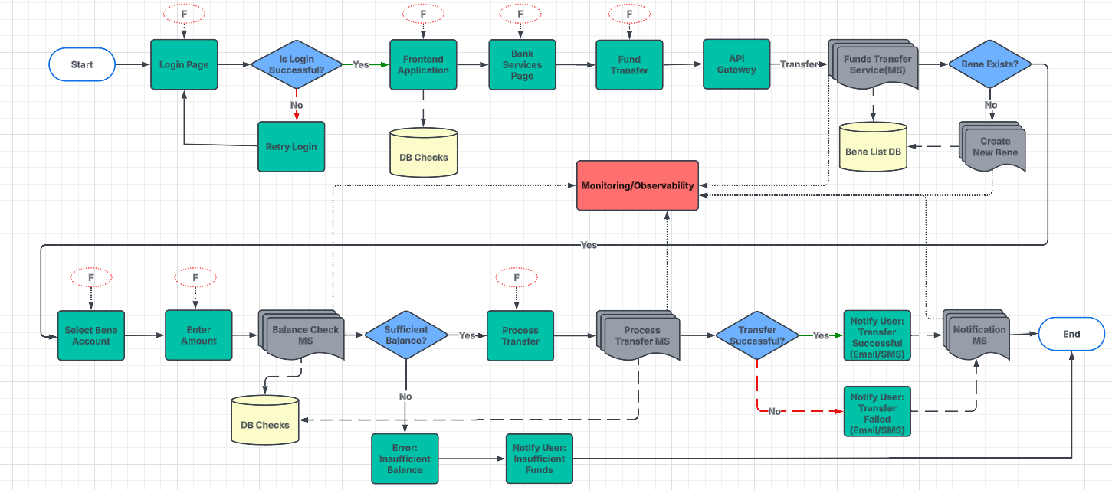
Business Usecase | Main Section | Sub Section | Chaos Experiment Name | Chaos Applicability | Experiments | Analysis/Observation | Solution/Recommendation | Effort | Number of Experiments | Description
User Interface (UI) Issues Affecting Transactions | UI Rendering | Broken UI Elements | Broken UI Simulation | Yes | Simulate broken UI components, like buttons or forms, preventing users from completing transactions. | Pod Level: API requests fail or return incorrect responses. UI Level: Buttons/forms do not respond to user actions, preventing transactions. | 1.To prevent broken UI components like non-functional buttons or forms, prioritize unit testing for interactive elements and component-level testing using frameworks such as Jest or Cypress 2. This will help identify issues early and ensure components function as expected | 16 | 1 | Simulate scenarios where critical UI elements like buttons or forms do not render correctly, hindering user actions.
 |  |  |  | Yes | Simulate issues where the layout of the page is distorted, affecting users' ability to interact with the app. | Pod Level: No direct impact. UI Level: Misaligned elements prevent users from interacting correctly with the page. | 1.To avoid layout distortions, implement responsive design principles and use CSS Grid or Flexbox to create fluid and adaptable layouts 2. Testing the UI across multiple screen sizes and devices will ensure consistency, while setting up automated checks can help detect layout issues early | 16 | 1 | Simulate UI layout issues that misplace elements, making navigation and transaction completion difficult.
 |  | Unresponsive UI | UI Unresponsiveness Simulation | Yes | Simulate an unresponsive UI that freezes or delays user interactions during transactions. | Pod Level: No immediate failure, but increased resource usage. UI Level: Users experience lag when clicking or filling out forms, affecting usability. | 1.For unresponsive UIs, optimize JavaScript performance by reducing blocking scripts and unnecessary DOM manipulations 2. Implement asynchronous loading for critical elements to ensure smooth interaction 3. Additionally, using debouncing strategies for actions that trigger frequent updates will reduce latency and improve responsiveness | 16 | 1 | Simulate scenarios where the UI becomes unresponsive during critical actions, preventing transaction submission.
 |  |  |  | Yes | Simulate missing or incorrect input validation on transaction forms, allowing invalid data to be entered. | Pod Level: No direct impact unless invalid data affects APIs. UI Level: Users can submit incorrect or malicious data, leading to incorrect transactions. | 1.Ensure client-side and server-side validation for form inputs to catch errors before submission 2. Real-time feedback during data entry can further assist users by immediately indicating invalid inputs, thereby preventing incorrect or incomplete transactions | 16 | 1 | Simulate issues where input fields lack validation, allowing invalid data to be submitted and causing transaction failures.
 | Error Handling | Incorrect Error Messages | Error Message Failure Simulation | Yes | Simulate the display of incorrect or unclear error messages during transaction attempts. | Pod Level: API may still return correct responses. UI Level: Users get misleading error messages, making it hard to troubleshoot issues. | 1.To improve user experience, replace unclear or vague error messages with contextual messages that clearly explain the problem and provide corrective actions 2. Avoid using technical jargon, ensuring messages are simple and actionable 3. Implementing error handling frameworks can also ensure consistent messaging across the app | 16 | 1 | Simulate confusing or absent error messages, leading to user frustration and abandonment of the transaction.
 |  |  |  | Yes | Simulate broken links in the UI that prevent users from navigating to critical pages, such as transaction confirmation or account overview. | Pod Level: No impact unless API endpoints fail. UI Level: Users cannot access critical pages like checkout or account overview. | 1.Regularly test and monitor links using automated link-checking tools to detect broken or incorrect links 2. Implementing user-friendly 404 error pages with alternative navigation options will guide users when they encounter missing pages 3. QA checks should be performed routinely to ensure all links function correctly | 16 | 1 | Simulate broken navigation links that block users from completing their transactions.
 |  | Page Load Failures | Page Load Timeout Simulation | Yes | Simulate slow or failed page loads during key steps in the transaction process, such as payment confirmation. | Pod Level: Increased resource consumption due to repeated retries. UI Level: Pages take too long to load, preventing users from completing transactions. | 1.Optimize page load times by using lazy loading to defer non-essential elements and employing CDNs to accelerate content delivery 2. Implement loading indicators to inform users about ongoing processes during slower page loads, ensuring they don’t abandon critical transaction steps | 16 | 1 | Simulate slow or unsuccessful page loads that interrupt the user's ability to finalize their transaction.
 |  |  |  | Yes | Simulate inconsistent UI behavior, such as buttons appearing or disappearing based on browser or device used. | Pod Level: No direct effect. UI Level: Users see different UI elements based on their device, affecting functionality. | 1.Test the UI across different browsers, devices, and screen sizes to ensure consistent behavior 2. Leverage feature flags to manage compatibility adjustments and ensure UI elements appear and function consistently regardless of the user’s environment | 16 | 1 | Simulate issues where UI elements behave inconsistently across devices or browsers, confusing users.
 |  | UI Component Misalignment | Component Misalignment Simulation | Yes | Simulate misaligned UI components, such as forms and buttons, disrupting the user’s ability to complete transactions. | Pod Level: No impact. UI Level: Users struggle to find and interact with forms or buttons, blocking transactions. | 1.To prevent misalignment of UI components such as buttons and forms, use a UI framework (example- Bootstrap, Material UI) that provides predefined, responsive grid systems 2. Testing the layout across multiple screen sizes and conducting design reviews will ensure consistent alignment and proper flow of the UI, making sure users can easily complete tasks | 16 | 1 | Simulate misalignment of UI components during transaction flow, making it hard for users to interact with the app.
 |  |  |  | Yes | Simulate lack of support for screen readers, making the application inaccessible for visually impaired users. | Pod Level: No impact. UI Level: Visually impaired users cannot complete transactions due to missing accessibility features. | 1.Adhere to WCAG (Web Content Accessibility Guidelines) to ensure compatibility with screen readers for visually impaired users 2. Using ARIA (Accessible Rich Internet Applications) attributes will improve accessibility and provide the necessary information for screen reader software 3. Regular testing with screen reader tools ensures ongoing accessibility improvements | 16 | 1 | Simulate accessibility issues, such as missing screen reader support, preventing users with disabilities from completing transactions.
 |  | Poor Color Contrast | Color Contrast Issue Simulation | Yes | Simulate poor color contrast between text and background, making it difficult for users to read transaction details. | Pod Level: No impact. UI Level: Users with vision impairments struggle to read transaction details, causing frustration. | 1.Ensure sufficient color contrast (minimum ratio of 4 2.5:1 between text and background) for readability, especially on critical UI elements like transaction details 3. Use tools like Contrast Checker to assess color combinations 4. Also, consider providing a color-blind mode to cater to users with different visual impairments | 16 | 1 | Simulate poor color contrast or visibility issues, making it hard for users to read and understand the UI.
 |  |  |  | Yes | Simulate scenarios where the UI does not provide adequate feedback to the user after submitting a transaction. | Pod Level: API may process the transaction, but UI does not update. UI Level: Users are unsure if the transaction was completed, leading to multiple submissions. | 1.Implement loading indicators to show progress after a user submits a transaction 2. Providing success or failure messages immediately after submission will confirm to the user that their action has been processed 3. A summary or confirmation screen can offer a final overview of the transaction, ensuring users feel confident in their actions | 16 | 1 | Simulate lack of feedback after a transaction is submitted, leaving the user unsure whether the action was successful.
 |  | Slow UI Updates | Slow UI Update Simulation | Yes | Simulate delayed UI updates after a user completes an action, such as submitting a payment. | Pod Level: No impact unless API responses are slow. UI Level: Users see delays in transaction confirmation, causing confusion or duplicate actions. | 1.Use optimistic UI updates to immediately reflect changes in the interface, followed by server-side validation to update the state once a response is received 2. Implement web sockets or real-time data protocols to enable faster UI updates 3. Optimizing rendering with techniques like virtualization and lazy loading ensures the UI is more responsive during interactions | 16 | 1 | Simulate slow UI updates, leading users to believe that the transaction did not go through.
 |  |  |  | Yes | Simulate issues where the UI does not load correctly on certain devices or browsers, preventing transactions. | Pod Level: No direct impact. UI Level: Users with specific devices/browsers cannot access key features or complete transactions. | 1.Regularly test the UI on a variety of devices and browsers using cross-browser testing tools like BrowserStack to ensure compatibility 2. Utilize feature detection (example- Modernizr) to adapt the app to different browser capabilities 3. Ensure that the app is compatible with older browsers and update it regularly to support new versions | 16 | 1 | Simulate compatibility issues where the UI fails to load or render properly on certain devices, causing transaction failures.
 |  | Mobile UI Failures | Mobile UI Issue Simulation | Yes | Simulate mobile-specific UI issues like unresponsive touch elements or broken mobile navigation. | Pod Level: No impact. UI Level: Mobile users cannot interact with UI elements properly, making transactions difficult. | 1.For mobile devices, use responsive design to adapt the layout and navigation 2. Ensure that touch targets are large enough to interact with easily and that mobile navigation is intuitive 3. Testing across a wide range of mobile devices is critical to ensure that elements function correctly on smaller screens | 16 | 1 | Simulate mobile-specific UI issues, such as buttons or forms that don't respond to touch, preventing transactions.
 |  |  |  | Yes | Simulate poor performance due to slow UI response during transaction-heavy periods. | Pod Level: Increased memory/CPU load due to user requests. UI Level: Users experience slow response times and delays in page rendering. | 1.To handle peak transactions, implement lazy loading for non-essential elements and optimize JavaScript performance to reduce load time 2. Use compression techniques and CDN caching to quickly deliver assets, and prioritize critical requests for improved performance | 16 | 1 | Simulate scenarios where slow UI performance causes delays, leading users to abandon transactions.
 |  | High Latency in UI | UI Latency Simulation | Yes | Simulate high latency between user actions and UI updates during transactions. | Pod Level: API response times may increase. UI Level: Users click buttons or input data, but changes appear with a delay. | 1.Reduce network latency by optimizing API calls, using local caching where applicable, and ensuring asynchronous operations are handled smoothly 2. Debounce or throttle user input to manage frequent updates, while using predictive loading to provide faster UI feedback, reducing perceived latency | 16 | 1 | Simulate UI latency, causing delays between user actions and responses, leading to user frustration.
 |  |  |  | Yes | Simulate session timeouts during transactions, causing users to lose their progress and transaction data. | Pod Level: Session storage might expire prematurely. UI Level: Users lose progress on forms or payments and must restart the process. | 1.Implement session persistence mechanisms like auto-saving progress to prevent users from losing data during timeouts 2. Provide session timeout warnings with an option to extend the session before expiration 3. Use token-based authentication (JWT) for smoother session management and automatic re-authentication without forcing users to restart the process | 16 | 1 | Simulate session timeouts that disrupt ongoing transactions, requiring users to start over.

Authentication

...
Experiment Name | Effort | Scenario Description | Chaos Type | Analysis/Observation | Solution/Recommendation | Category | Is Chaos Applicable | Assigned to | start date | end date
JWT Signing Key Rotation Issue | 16 | Simulate improper JWT signing key rotation leading to invalid tokens. | Manual Configuration Fault | Pod Level: Token verification fails across services. UI Level: Users get logged out with "Invalid Token" errors. | 1.Implement automated key rotation and ensure multiple key support for smooth transitions between old and new keys 2. Maintain backward compatibility during key rotations and use key management systems (KMS) to securely store and rotate keys 3. Implement JWT versioning for smooth integration with old and new systems
Authentication API Timeout | 16 | Introduce timeouts on authentication API calls. | NetworkChaos (timeout) | Pod Level: Authentication requests fail due to timeouts. UI Level: Login attempts take too long or return 504 Gateway Timeout errors. | 1.Set appropriate timeouts for authentication API requests and implement retry logic with exponential backoff 2. Use asynchronous processing for non-critical authentication tasks and monitor response times to optimize performance 3. Ensure load balancing to reduce the risk of timeouts during high demand
Unauthorized Access | 16 | Simulate bypassing authentication mechanisms to test authorization logic. | Security Testing (external) | Pod Level: Security policies are violated, leading to potential data exposure. UI Level: Users gain access to resources they shouldn’t see. | 1.Implement strict role-based access control (RBAC) and regularly audit access logs to ensure proper permissions 2. Use multi-factor authentication (MFA) and monitor for abnormal access patterns to detect unauthorized access attempts 3. Use real-time alerts for unauthorized access and implement user behavior analytics
DNS Failure for Authentication | 16 | Simulate DNS resolution failure for the authentication service endpoint. | DNSChaos (error) | Pod Level: Authentication service cannot resolve backend dependencies. UI Level: Users see "Service Unavailable" or "DNS Resolution Failed" errors. | 1.Use DNS failover and multiple DNS providers to ensure continuity in case one provider fails 2. Implement DNS caching and retry mechanisms for authentication requests, and monitor DNS health regularly to detect issues early 3. Use load balancing with DNS redundancy to ensure system resilience during DNS outages

Payment Gateway
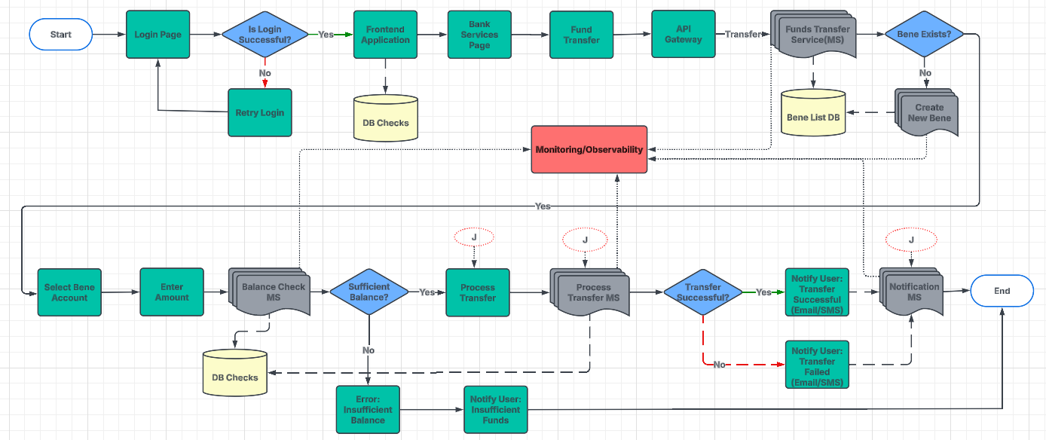
...
Business Usecase | Main Section | Sub Section | Chaos Experiment Name | Experiments | Effort | Description | Analysis/Observation | Solution/Recommendation | Approach
 |  |  |  | Simulate API timeouts in communication between payment gateway and web app. | 16 | Simulate communication timeouts in the API connection between the web app and payment gateway. | Pod-Level Impact: Gateway does not respond within the expected time frame. Increased load as transactions keep retrying. UI-Level Impact: Payment processing gets stuck or times out. Users may not receive payment confirmation. | 1.Set appropriate timeout thresholds for API communication and ensure retry mechanisms with exponential backoff are in place 2. Implement asynchronous communication for non-critical transactions, allowing for better handling of time-sensitive interactions
 | Data Integrity Issues | Data Loss | Data Loss Simulation | Simulate data loss between payment gateway and backend. | 16 | Simulate data loss causing incomplete or missing transaction data after a payment attempt. | Pod-Level Impact: Transactions may not be recorded properly. Payment receipts may not be generated. UI-Level Impact: Users do not receive confirmation emails. Some successful payments may not reflect in order history. | 1.Implement data replication and transaction logs to prevent data loss 2. Use message queues to ensure transactional data is queued before being processed 3. Ensure the database is backed up regularly, and event sourcing can help recover lost transactions
 |  |  |  | Simulate system recovery after a payment gateway failure. | 16 | Simulate how the system should recover after a payment gateway failure and restore service. | Pod-Level Impact: Services restart and clear backlogged transactions. Some transactions may be reprocessed. UI-Level Impact: Users may see duplicate charges or delayed confirmations. Some orders might require manual intervention. | 1.Implement disaster recovery plans with predefined failover and backup strategies 2. Ensure transaction rollback mechanisms are in place to handle partially completed transactions 3. Regularly test recovery processes to ensure minimal downtime and smooth system restoration
 |  | Log Integrity Failure | Log Integrity Failure Simulation | Simulate corruption or loss of transaction logs during payment gateway issues. | 16 | Simulate loss of transaction logs that would affect audit and reconciliation processes. | Pod-Level Impact: Incomplete transaction records lead to reconciliation issues. Difficulty in tracking payment statuses. UI-Level Impact: Users may not receive refunds or order confirmations. Some payments may be marked as failed even if processed. | 1.Ensure transaction logs are stored in reliable and redundant storage systems 2. Use distributed logging and cloud-based storage to ensure logs are durable 3. Regularly test the logging system for resilience and implement log rotation to prevent data loss
 |  |  |  | Simulate failover of payment gateway during load balancing. | 16 | Simulate issues when the load balancer fails to switch to a backup payment gateway. | Pod-Level Impact: Traffic switches to a secondary gateway, causing temporary delays. Some transactions may be retried automatically. UI-Level Impact: Users experience slow payments or brief failures. Payment attempts may be duplicated or require re-entry. | 1.Implement load balancing with multiple payment gateways and ensure automated failover in case one gateway fails 2. Monitor the health of payment gateways and use circuit breakers to prevent overloading any gateway during failover scenarios

